in-ground gardening
Site selection
Most vegetables need 6-8 hours full sun: target = the sun in June. South-facing as much as possible.
Be close water; do not overhead water: fungal disease
Most vegetables need 1 inch of rain per sq. foot (approx. 5lbs of water per sq. foot)

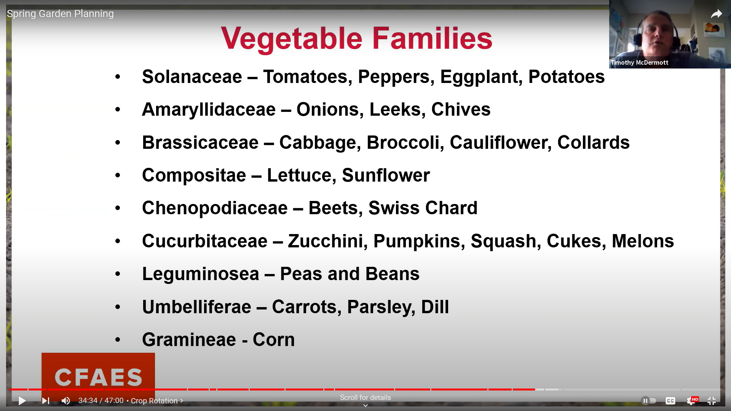
Site prep
Bio-intensive using frameless raised bed rows for maximizing soil health: minimal tillage; concetration of water and nutrients; crop rotation easier
Before first year, plow (preferable in fall) then till (or harrow)
Working with overly wet or dry soil destroys the soil structure
Add organic matter (compost or leaf mold) and work into soil
Creating planting beds allows you to grow more vegetables in less space; called intensive or wide-row beds, this allows you to grow crops closer together with less space devoted to unplanted work areas between rows and the beds are not walked on preventing compaction in the growing space; but need to add organic matter for the soil to support more plants in less space.
Sow as recommneded for wide beds. Broadcast seed crops like carrots that you then thin to recommneded spacing.
Cover seeds with light amount of soil then water (mist to not disturb seeds).
Use mesh wiring (folded at the corners to create a box) or row covers to protect from birds (and pests with the latter).
Water daily until germination and become well established to keep the seed bed evenly moist.

Crop rotation (even within season)
Cover crops: controls weeds, pests, and diseases; promotes soil health by keeping live roots in the growing medium
 | do not grow crops in same family in same spot each year
 | three years between spots if possible
IPM - integrated pest management
Mulch: conserves moisture; cools soils; controls weeds, pests, and diseases

Soil fertility/health
Top adjustable input
Maximize soil organic matter (SOM)
 | lost with rain, harvest, etc.
 | Ideally > 5% organic matter
 | Every 1% increase in SOM = 12% increase in crop yields
Focus on correcting pH and fertility problems
Soil tests to assess fertility & pH
Nutrients | macro
 |  | nitrogen
 |  | phosphorus
 |  | potassium
 | micro
 |  | clacium, zinc, magnesium, sulfur, iron, boron, copper, manganese, molybdenum, chlorine, sodium, nickel, cobalt
 | structural
 |  | carbon, hydrogen, oxygen
Additives:
 | Compost
 | Manure
 | Leaves
 | Cover crops
Adding fertilizer
 | granular | incorporate at planting; side or top dress after plants established; slow acting
 | water based | after transplant or germination; rapid acting
 | foliar | based on need and variety of plant; rapid acting; temperature is important
Composition of Soil | Air | 25%
 | Water | 25%
 | Mineral particles | 45%
 | Organic matter | 5% -> Humus 80%; Roots 10%; Organisms 10% Ideally >= 5% Takes a long time to build up soil organic matter (SOM) Additives: -Compost -Manure -Leaves -> 50-80% of tree nutrients end up in leaves; leaves have more nutrients per pound than manure; amazing source of organiz matter -Cover crops

Biointensive agriculture
 | https://themarketgardener.com/farming/biointensive-agriculture-how-to-cultivate-in-permanent-raised-beds/
 | https://themarketgardener.com/farming/biointensive-agriculture-how-to-cultivate-in-permanent-raised-beds/

 | Crops should be planted in permanent raised beds. Permanent beds are raised mounds of earth about 10-15 centimetres (or roughly 4-6 inches) from the ground, separated by alleys to allow for easy circulation.
 | The area under cultivation on a biointensive farm is divided into blocks.
 | Each block is composed of around 10 permanent raised beds.
 | Each crop bed should be 75 centimeters (roughly 30 inches) wide.
 | Build beds between 15 metres (roughly 50 feet) and 30 metres (roughly 100 feet) long.
 | The idea is that the beds should always have the same dimensions (75 centimetres or 30 inches wide, and the length of your choice) to allow for uniformity of equipment such as tarps, row covers, irrigation lines, insect netting, etc. This optimizes the equipment and ultimately means you need less of it.
 | The space between beds is a footpath 45 centimetres (roughly 18 inches) wide. This layout allows the gardener to easily step over a bed without trampling on it, thereby minimizing soil compaction. These aisles should also be wide enough for a wheelbarrow to easily pass through.
 | The permanent raised beds are the space- and labour-efficient foundation of Jean-Martin’s biointensive cropping system. As such, the bed becomes the unit of measurement for the market garden (rather than the hectare or acre) for calculating everything, for example, soil amendments, crop planning, etc. The beds are grouped in blocks, each with the same number of beds.

composting
Topic | Item | Information | Notes/comments
General creation and care | Green materials | -Green materials for composting consists mostly of wet or recently grown materials. Green materials are often times green in color, but not always. -Some examples of green materials include: food scraps, grass clippings, coffee grounds, manure, and recently pulled weeds. -Green materials will supply most of the nutrients that will make your compost good for your garden. -Green materials are high in nitrogen.
 | Brown materials | -Brown materials for composting consists of dry or woody plant material. Often, these materials are brown, which is why we call them brown material. -Brown materials include: dry leaves, wood chips, straw, sawdust, corn stalks, and newspaper. -Brown materials help to add bulk and help allow air to better get into the compost. -Brown materials are also the source of carbon in your compost pile.
 | Green/Brown mix ratio | A good mix of browns and greens in your compost pile is about 4:1 (?) browns (carbon) to greens (nitrogen).
 | Turning/mixing | A good rule of thumb is to turn a compost tumbler every three to four days and the compost pile every three to seven days. As your compost matures, you can turn the tumbler or pile less frequently.
 | Moisture | Your compost pile should be moist, but not soggy. Most of your water will come from rain, as well as the moisture in green materials, but you may need to water the pile yourself on occasion. If the pile gets too wet, you can turn it more frequently to dry it, or add more brown materials to soak up excess moisture.
Composition of Soil | Air | 25% | Composting
 | Water | 25%
 | Mineral particles | 45%
 | Organic matter | 5% -> Humus 80%; Roots 10%; Organisms 10% Ideally >= 5% Takes a long time to build up soil organic matter (SOM) Additives: -Compost -Manure -Leaves -> 50-80% of tree nutrients end up in leaves; leaves have more nutrients per pound than manure; amazing source of organiz matter -Cover crops
Compost defined | What is compost? | -The end product of the decay of organiz matter -Not necessarily a fertilizer, but a soil amendment -It is however rich in macro and micro nutrients -The amnedment of choice for soil (clay or sandy) -It improves soil physically, biologically, and chemically
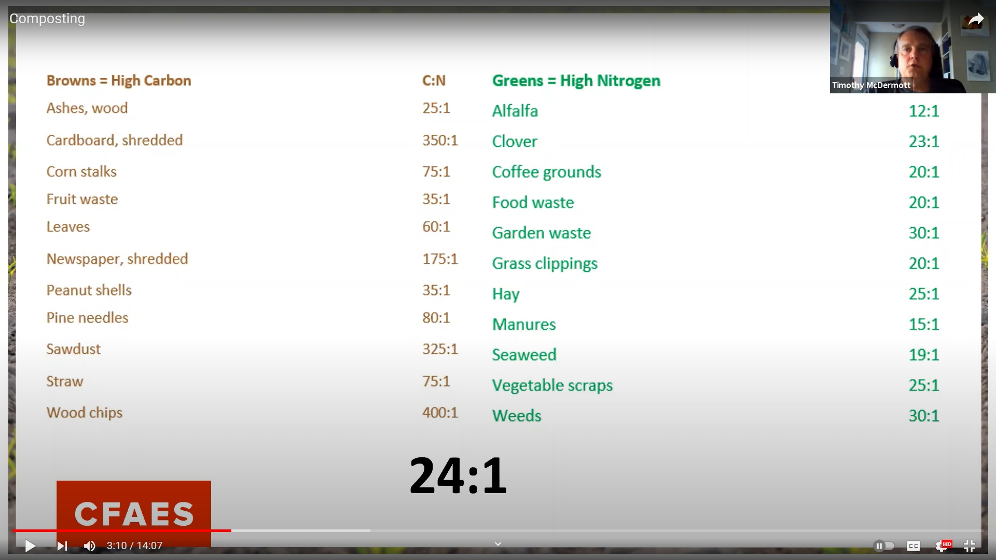
 | Compost ratios *Ideal ratio is 24:1 (browns to greens) -Do not add bones, fats, or dairy -Do not include seed heads of weeds (though hot pile may kill them) -Do not add any plant or yard waste with disease/pathogens (though hot pile may kill them)

Methods of composting | Hot pile | -Temperature of 120-170 degrees -> Add greens if pile is too cold -> Keep in sunlight -Heat to kill pathogens and weed seeds -Need a critical mass/size: about 4 feet around is ideal -Need correct ratio of browns to greens: to be sure you're getting the required slow biochemical burn -> Alternate layers of browns and greens -> 3-8 parts brown to 1 part green -> Add browns + less water if pile has bad odor -Should be moist but not too wet -Usually involves lots of turning: for mixing Oxygen into pile for burning inside pile, and to dry if too wet -Typically less leaching of organic matter becasue made more quickly than cold process, so much more fertile than cold pile -Start in fall for availability at spring planting: add 5 gallons of existing compost to leaves for fall bio-burst
 | Cold Pile | -Can take years for finished compost -Layering not as critical -Can improve it with small amount of turning
Applying compost | Spring/Summer | -When planting and as a mulch
 | Fall | -As soil admendment after harvest
Specific compost components | wood ash | -Alkaline: will raise pH -Do not add from treated wood or painted wood -Adds most nutrients that do not get lost as gas, such as nitrogen and sulfur
Making raised beds out of compost Hugelkultur- hill culture (German) | Defined | -Piles of organic matter that are added in different layers then planted into -Cold compost process
 | Ingredient list | -Logs; compost; manure; leaves; wood chips; lawn clippings; kitchen scraps; lawn clippings; straw; wood ash; soil; fertilizer (initally)
 | Method | -Orient north-south to take advantage of the movement of the sun (?) -Start with carbon core (carbon sink in the middle such as logs, sticks, straw, hay) then layer around -Add top layer of dirt and plant into immediately before rain can wash top layer away -May need to jump start with fertilizer given longer breakdown time required when using a cold process -Need to be bulit back up over time -Could also directly layer (lasagna layering) starting with a carbon base (1) then layering browns (2) then greens (3) then browns (4) then greens (5). Final layer compost or manure. Layers mix over time and become a better growing medium as the layers breakdown.
 | Advantages | -Height advantages -Grow on unusable area/create new garden space -Remediate weedy area

berries
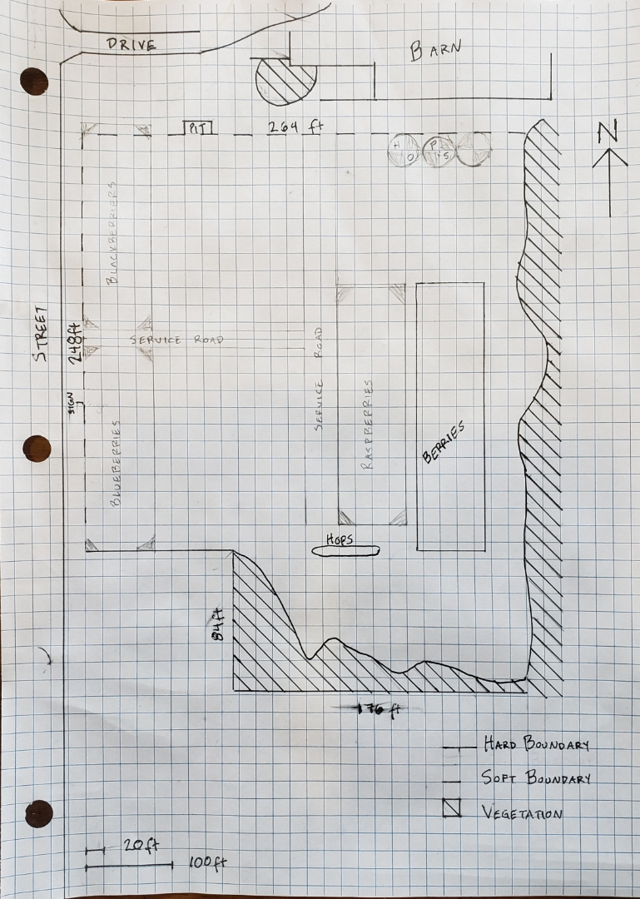
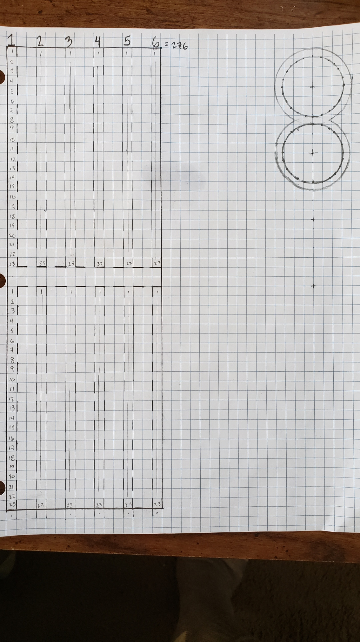
Plant | Detailed background research | Comments/notes
Blueberries | Farm research - Google Docs
Raspberries | Farm research - Google Docs
Strawberries | Farm research - Google Docs

